1
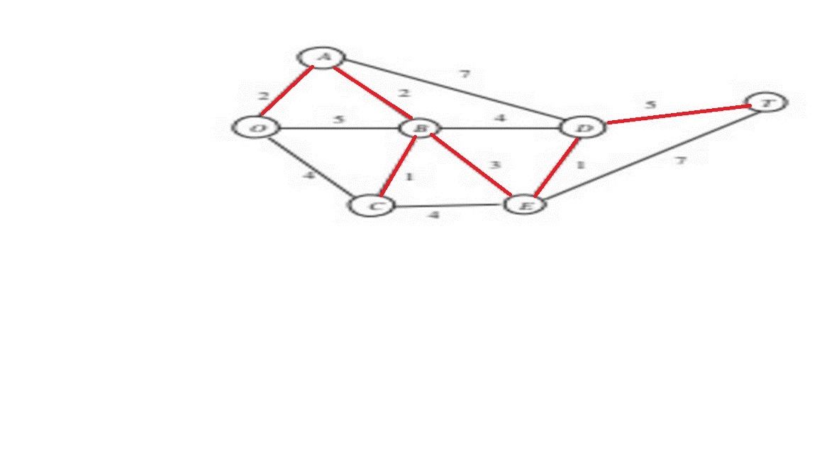
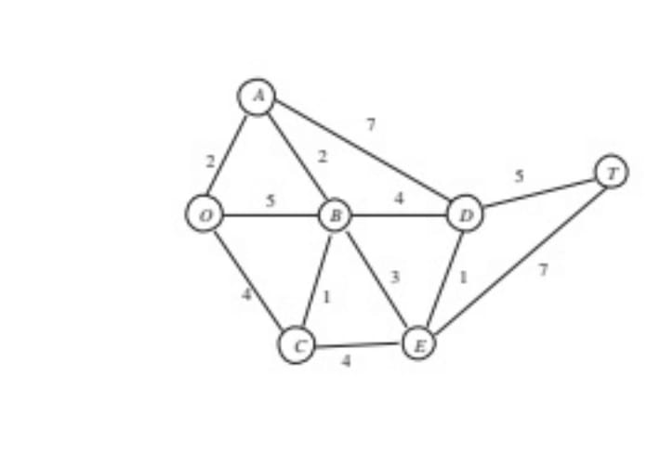
 |  |  | Practical - 4
 |  |  | Minimum Spanning Tree Problem

 | Edegs | Length | Decesion | Closed-loop | Included Lenth | Nodes | Included?
 | B-C | 1 | Included | - | 1 | O | 1
Name - Riya Tomar | D-E | 1 | Included | - | 1 | A | 1
Course - B.Sc(Hons.) Computer Science | O-A | 2 | Included | - | 2 | B | 1
Roll No. -20231437 | A-B | 2 | Included | - | 2 | C | 1
 | B-E | 3 | Included | - | 3 | D | 1
 | O-C | 4 | Excluded | O-A-B-C-O | 0 | E | 1
Question - 1 | B-D | 4 | Excluded | B-E-D-B | 0 | T | 1
 | C-E | 4 | Excluded | C-E-B-C | 0
 | O-B | 5 | Excluded | O-A-B-O | 0
 | D-T | 5 | Included | - | 5
 | A-D | 7 | Excluded | A-B-E-D-A | 0
 | E-T | 7 | Excluded | E-T-D-E | 0

 |  |  |  | Total | 14

